How to Download
 | Click "File"

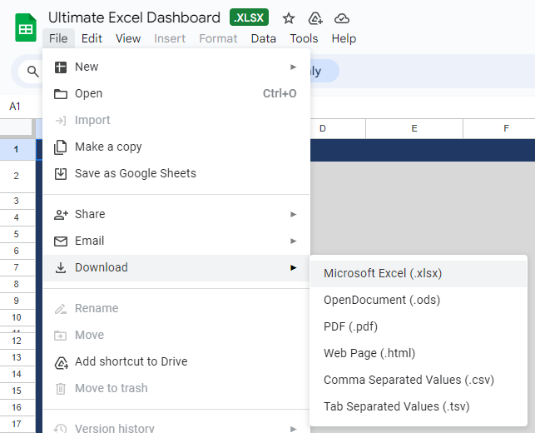

then Choose Download to Microsoft Excel

Dashboard

SALES DASHBOARD 2025

FILTERS
$ 1,102
Sales
$ 647
Profit
842
Number of Customers

Customer per Month Vs Last year
Customer Satisfaction Rate

 | Sum of Customers | Sum of Customers Last Year
Apr | 52 | 91
May | 49 | 76
Jun | 49 | 72
 | Total
Average of Customer Satisfaction Rate | 43%
Average of Customer Unsatisfaction Rate | 57%

43%

Monthly Sales vs Target
 | Sum of Sales | Sum of Target Sales
Apr | 270 | 354
May | 473 | 441
Jun | 359 | 472
Region | Sales | Profit | Customers
Argentina | 203 | 23 | 26
Brazil | 130 | 25 | 20
Chicaco | 140 | 23 | 22
Chile | 144 | 22 | 21
Columbia | 134 | 23 | 19
Los Angeles | 202 | 25 | 25
Peru | 149 | 21 | 17

